Farms In Region
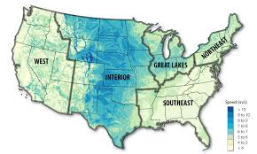
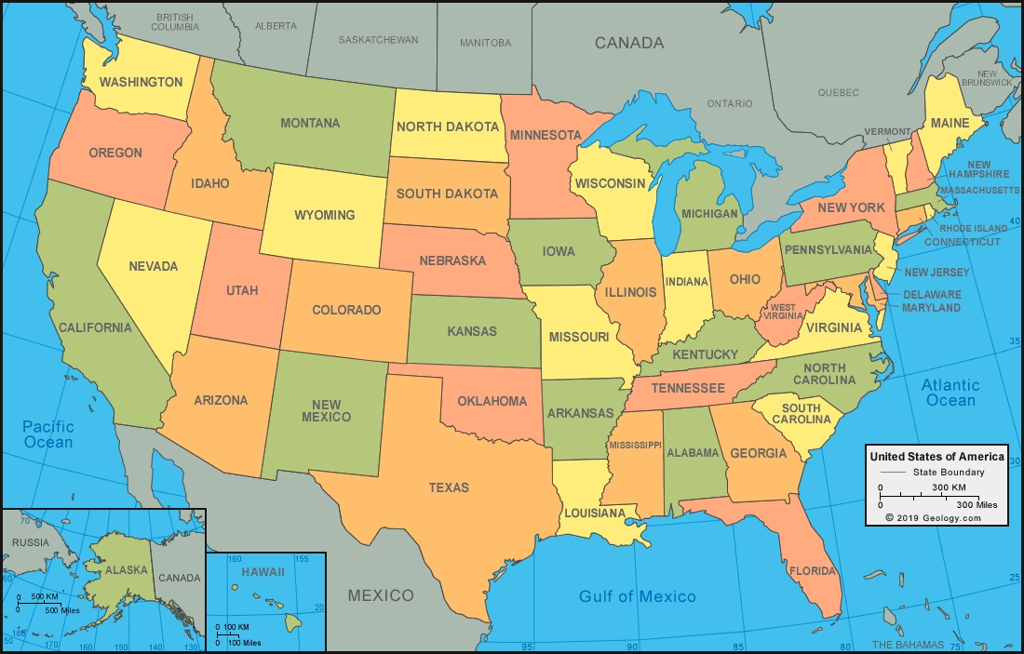
WEST
Name | lat | long | # turbines | rated capacity
Burley Butte | 42.489186154 | -113.92283454 | 13 | 1.5
Chopin | 45.891559833 | -118.47112917 | 6 | 1.65
Coastal Energy | 46.792945 | -124.06550975 | 4 | 1.5
Durbin Creek | 44.3527526 | -117.3211626 | 5 | 2
Golden Valley | 42.43848175 | -113.91583925 | 8 | 1.5

INTERIOR
Name | xcoord | y coord | # turbines | rated capacity
Busch Ranch | 37.781887688 | -104.47185137 | 16 | 1.8
Bingham Lake | 43.960982545 | -95.041362364 | 11 | 1.25
MinWind III-IX | 43.645749857 | -96.389563429 | 7 | 1.65
Border Winds Project | 48.96476508 | -99.602687453 | 75 | 2
Breckinridge | 36.447697018 | -97.676079123 | 57 | 1.7
Blue Canyon V | 34.820149076 | -98.472701667 | 66 | 1.5
Blue Canyon VI | 34.913942945 | -98.553846709 | 55 | 1.8
Cactus Flats | 31.111537262 | -100.017617 | 42 | 3.45
Charles City | 43.03166024 | -92.7264073 | 50 | 1.5
Crystal Lake I | 43.19518786 | -93.85358631 | 100 | 1.5 |  | SUBSET OF FARMS
Campbell County | 45.789316636 | -100.27516133 | 55 | 1.7
Dunlap | 42.027382311 | -106.17487092 | 74 | 1.5
Day County Wind Project | 45.221310015 | -97.902377121 | 66 | 1.5 |  | WEST
Arbuckle Mountain | 34.38900292 | -97.17446172 | 50 | 2 |  | 0_20 | <2 | Burley Butte | 42.489186154 | -113.92283454 | 13 | 1.5
Blue Cloud I | 34.05440214 | -102.64636274 | 43 | 3.45 | saved |  | >2 | red horse 2 |  |  | 15 | 2
Barton Chapel | 33.072541483 | -98.3298977 | 60 | 2 | saved | 20_40 | <2 | Horse Butte |  |  | 32 | 1.8
Big Smile Wind Farm at Dempsey Ridge | 35.538331818 | -99.817044818 | 66 | 2 | saved |  | >2 | Dry Lake |  |  | 30 | 2.1
Drift Sand | 34.830999667 | -97.941152222 | 54 | 2 | saved | 40_60 | <2 | Perrin Ranch |  |  | 62 | 1.6 |  | Mehoopany
Beethoven Wind, LLC | 43.175030814 | -98.076880372 | 43 | 1.85 | Saved |  | >2 | Milford Phase II |  |  | 68 | 2.5 |  | red horse 2
Colorado Highlands | 40.740609268 | -102.76231004 | 56 | 1.6 | saved | 60_80 | <2 | Vantage Point |  |  | 60 | 1.5 |  | Horse Butte
Chapman Ranch | 27.598882481 | -97.534546691 | 81 | 3.075 | saved |  | >2 | Cold Springs |  |  | 80 | 2.1 |  | Dry Lake
Bent Tree | 43.757521877 | -93.462857852 | 122 | 1.65 | saved | >80 | <2 | North Sky River |  |  | 100 | 1.62 |  | Perrin Ranch
Aragonne Wind LLC (Pastura) | 34.817691767 | -105.05728131 | 90 | 1 | saved |  | >2 | Tucannon River |  |  | 116 | 2.3 |  | Milford Phase II
Buckeye | 38.996659107 | -99.450168179 | 112 | 1.79 |  | INTERIOR |  |  |  |  |  |  |  | Vantage Point
Centennial Wind Farm | 36.6443484 | -99.616877425 | 80 | 1.5 |  | 0_20 | <2 | Busch Ranch | 37.781887688 | -104.47185137 | 16 | 1.8 |  | Cold Springs
Aurora County Wind | 43.716315222 | -98.755303222 | 9 | 2.3 |  |  | >2 | Hawkeye | 42.931152467 | -92.029459133 | 15 | 2.5 |  | North Sky River
Casper Wind Farm | 42.887266 | -106.21869791 | 11 | 1.5 |  | 20_40 | <2 | Lakeswind | 46.713609187 | -96.238152969 | 32 | 1.5 |  | Tucannon River
Cross Winds | 43.0675415 | -94.8969521 | 10 | 2.1 |  |  | >2 | Blackwell | 36.850940462 | -97.426215 | 26 | 2.3 |  | Mars Hill
Creston Ridge | 41.677593 | -97.3850765 | 4 | 1.7 |  | 40_60 | <2 | Beethoven Wind, LLC | 43.175030814 | -98.076880372 | 43 | 1.85 | Will need about 18 more farms
Bethel | 34.574349083 | -102.46911675 | 120 | 2.3 |  |  | >2 | Blue Cloud I | 34.05440214 | -102.64636274 | 43 | 3.45
Baffin | 27.171901653 | -97.588233238 | 101 | 2 |  | 60_80 | <2 | Centennial Wind Farm | 36.6443484 | -99.616877425 | 80 | 1.5
Armadillo Flats | 36.310254275 | -97.552133165 | 109 | 2.3 |  |  | >2 | Chapman Ranch | 27.598882481 | -97.534546691 | 81 | 3.075
Cedar Bluff | 38.671292757 | -99.734851432 | 111 | 1.79 |  | >80 | <2 | Crystal Lake I | 43.19518786 | -93.85358631 | 100 | 1.5
Notrees | 31.994007625 | -102.82852445 | 96 | 1.5 |  |  | >2 | Electra Wind | 34.11221641 | -99.07437595 | 100 | 2.3
Electra Wind | 34.11221641 | -99.07437595 | 100 | 2.3 |  | GREAT LAKES
El Cabo | 34.72119557 | -105.64175618 | 142 | 2.1 |  | 0_20 | <2 | Montfort Wind Farm | 42.9607915 | -90.38321795 | 20 | 1.5
Buffalo Bear | 36.774128 | -99.655313222 | 9 | 2.1 |  |  | >2 | Forward | 40.098299 | -78.861700857 | 14 | 2.1 | Time for 2020 Farms |  | Nh | Allocation unit = 20min/ node
Conception Wind Project | 40.213451458 | -94.673617333 | 24 | 2.1 |  | 20_40 | <2 | Butler Ridge | 43.40998625 | -88.480833833 | 36 | 1.5 | Time for baseline onshore |  |  | 3 allocation units per node hour
Cedar Hills | 46.244523462 | -103.76811215 | 13 | 1.5 |  |  | >2 | Apple Blossom | 43.814212069 | -83.306646724 | 29 | 3.45 | ? Onshore wake steering
Carroll Area | 41.943138111 | -94.890909 | 9 | 2.3 |  | 40_60 | <2 | Cedar Ridge Wind Farm | 43.717096878 | -88.310909122 | 41 | 1.65
Big Blue Wind Farm | 43.623463944 | -94.217585667 | 18 | 2 |  |  | >2 | Bluff Point | 40.3229045 | -84.947089321 | 56 | 2.1
Danielson | 45.0681005 | -94.742925583 | 12 | 1.67 |  | 60_80 | <2 | EcoGrove | 42.456335343 | -89.88288594 | 67 | 1.5
Brule County Wind | 43.714555111 | -98.922470111 | 9 | 2.3 |  |  | >2 | Blue Sky - Green Field | 43.886278511 | -88.269840409 | 88 | 1.65
Big Timber | 45.835719286 | -109.6524185 | 14 | 1.79 |  | >80 | <2 | Camp Grove | 41.07716971 | -89.62315887 | 100 | 1.5
Blackwell | 36.850940462 | -97.426215 | 26 | 2.3 |  |  | >2 | Minonk | 40.87222303 | -88.94988847 | 100 | 2
Lamar Municipal | 38.032696 | -102.5335275 | 4 | 1.5 |  | SOUTH EAST
Elk | 42.598909 | -91.373456941 | 17 | 2.5 |  | 0_20 | <2 | Buffalo Mountain | 36.127006533 | -84.348954267 | 15 | 1.8
Gordon Butte | 46.412092167 | -110.334039 | 6 | 1.5 |  |  | >2 | Fourmile Ridge | 39.642247437 | -79.004077875 | 16 | 2.5
Grant County | 45.8079831 | -95.8973504 | 10 | 2 |  | 20_40 | <2
Hawkeye | 42.931152467 | -92.029459133 | 15 | 2.5 |  |  | >2
Kimball Wind Farm | 41.29487325 | -103.70999017 | 12 | 2.5 |  | 40_60 | <2 | Mountaineer Wind Energy Center (Thomas) | 39.185291205 | -79.53544025 | 44 | 1.5
Lakeswind | 46.713609187 | -96.238152969 | 32 | 1.5 |  |  | >2 |  |  |  |  |  |  | Burley Butte
Greensburg | 37.5498872 | -99.3438942 | 10 | 1.25 |  | 60_80 | <2 | Beech Ridge | 38.078213939 | -80.523639121 | 66 | 1.5 |  | red horse 2
Harbor Wind | 27.8318085 | -97.439150333 | 6 | 1.5 |  |  | >2 |  |  |  |  |  |  | Horse Butte
 |  |  |  |  |  | >80 | <2 |  |  |  |  |  |  | Dry Lake
GREAT LAKES |  |  |  |  |  |  | >2 | Amazon Wind Farm US East | 36.316881356 | -76.419514375 | 104 | 2 |  | Perrin Ranch
Name | xcoord | y coord | # turbines | rated capacity |  | NORTH EAST |  |  |  |  |  |  |  | Milford Phase II
Butler Ridge | 43.40998625 | -88.480833833 | 36 | 1.5 |  | 0_20 | <2 | Marsh Hill | 42.1773228 | -77.5045769 | 10 | 1.62 |  | Vantage Point
Montfort Wind Farm | 42.9607915 | -90.38321795 | 20 | 1.5 |  |  | >2 | Bear Creek | 41.237073333 | -75.751918083 | 12 | 2 |  | Cold Springs
Heritage Garden | 45.799643857 | -86.542915786 | 14 | 2 | saved | 20_40 | <2 | Mars Hill |  |  | 28 | 1.5 |  | North Sky River
Bluff Point | 40.3229045 | -84.947089321 | 56 | 2.1 |  |  | >2 | Arkwright Summit | 42.407747833 | -79.231832556 | 36 | 2.2 |  | Tucannon River
Amazon Wind Farm US Central | 41.127342854 | -84.760270479 | 48 | 2.1 |  | 40_60 | <2 |  |  |  |  |  |  | Busch Ranch
Camp Grove | 41.07716971 | -89.62315887 | 100 | 1.5 |  |  | >2 | Copenhagen | 43.890877725 | -75.6393374 | 40 | 2 |  | Hawkeye
Cedar Ridge Wind Farm | 43.717096878 | -88.310909122 | 41 | 1.65 |  | 60_80 | <2 | Noble Bliss | 42.545117164 | -78.258640313 | 67 | 1.5 |  | Lakeswind
Blue Sky - Green Field | 43.886278511 | -88.269840409 | 88 | 1.65 |  |  | >2 |  |  |  |  |  |  | Blackwell
EcoGrove | 42.456335343 | -89.88288594 | 67 | 1.5 | saved | >80 | <2 | Mehoopany |  |  | 88 | 1.6 |  | Beethoven Wind, LLC
Minonk | 40.87222303 | -88.94988847 | 100 | 2 |  |  | >2 |  |  |  |  |  |  | Blue Cloud I
Apple Blossom | 43.814212069 | -83.306646724 | 29 | 3.45 |  |  |  |  |  |  |  |  |  | Centennial Wind Farm
Deerfield Wind | 42.865262933 | -72.979338133 | 15 | 2 |  |  |  |  |  |  |  |  |  | Chapman Ranch
Canton Mountain | 44.51365275 | -70.303584 | 8 | 2.85 |  |  |  |  |  |  |  |  |  | Crystal Lake I
Forward | 40.098299 | -78.861700857 | 14 | 2.1 |  |  |  |  |  |  |  |  |  | Electra Wind
Future Generation Wind | 41.7760755 | -70.61756325 | 4 | 2 |  |  |  |  |  |  |  |  |  | Montfort Wind Farm
Galactic Wind | 43.1729635 | -89.560702 | 6 | 1.65 |  |  |  |  |  |  |  |  |  | Forward
Georgia Mountain | 44.6623125 | -73.070543 | 4 | 2.5 |  |  |  |  |  |  |  |  |  | Butler Ridge
Groton | 43.761691083 | -71.80639075 | 24 | 2 |  |  |  |  |  |  |  |  |  | Apple Blossom
Jericho Mountain | 44.4685892 | -71.2228026 | 5 | 2.85 |  |  |  |  |  |  |  |  |  | Cedar Ridge Wind Farm
Howard | 42.312712037 | -77.536952222 | 27 | 2.05 |  |  |  |  |  |  |  |  |  | Bluff Point
 |  |  |  |  |  |  |  |  |  |  |  |  |  | EcoGrove
SOUTHEAST |  |  |  |  |  |  |  |  |  |  |  |  |  | Blue Sky - Green Field
Name | xcoord | y coord | # turbines | rated capacity |  |  |  |  |  |  |  |  |  | Camp Grove
Buffalo Mountain | 36.127006533 | -84.348954267 | 15 | 1.8 |  |  |  |  |  |  |  |  |  | Minonk
Mountaineer Wind Energy Center (Thomas) | 39.185291205 | -79.53544025 | 44 | 1.5 |  |  |  |  |  |  |  |  |  | Buffalo Mountain
Beech Ridge | 38.078213939 | -80.523639121 | 66 | 1.5 |  |  |  |  |  |  |  |  |  | Fourmile Ridge
Amazon Wind Farm US East | 36.316881356 | -76.419514375 | 104 | 2 |  |  |  |  |  |  |  |  |  | Mountaineer Wind Energy Center (Thomas)
Fourmile Ridge | 39.642247437 | -79.004077875 | 16 | 2.5 |  |  |  |  |  |  |  |  |  | Beech Ridge
 |  |  |  |  |  |  |  |  |  |  |  |  |  | Amazon Wind Farm US East
NORTHEAST |  |  |  |  |  |  |  |  |  |  |  |  |  | Marsh Hill
Name | xcoord | y coord | # turbines | rated capacity |  |  |  |  |  |  |  |  |  | Bear Creek
Hoosac | 42.722936105 | -73.032687632 | 19 | 1.5 |  |  |  |  |  |  |  |  |  | Mars Hill
Arkwright Summit | 42.407747833 | -79.231832556 | 36 | 2.2 |  |  |  |  |  |  |  |  |  | Arkwright Summit
Bingham Wind | 45.126968411 | -69.699041946 | 56 | 3.3 |  |  |  |  |  |  |  |  |  | Copenhagen
Copenhagen | 43.890877725 | -75.6393374 | 40 | 2 |  |  |  |  |  |  |  |  |  | Noble Bliss
Armenia Mountain | 41.755502836 | -76.890460493 | 67 | 1.5 |  |  |  |  |  |  |  |  |  | Mehoopany
Bear Creek | 41.237073333 | -75.751918083 | 12 | 2
Marsh Hill | 42.1773228 | -77.5045769 | 10 | 1.62
Noble Altona | 44.820633908 | -73.649672523 | 65 | 1.5
Noble Bliss | 42.545117164 | -78.258640313 | 67 | 1.5
Chestnut Flats | 40.520605632 | -78.479853947 | 19 | 2
Berkshire Wind | 42.5852712 | -73.2749786 | 10 | 1.5

